Ember vs height
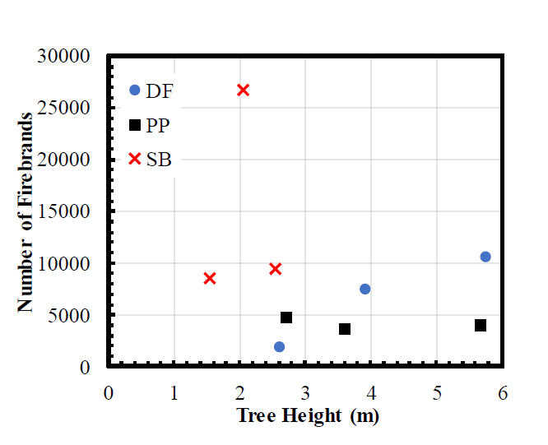
Douglas Fir (Number of ember vs tree height)
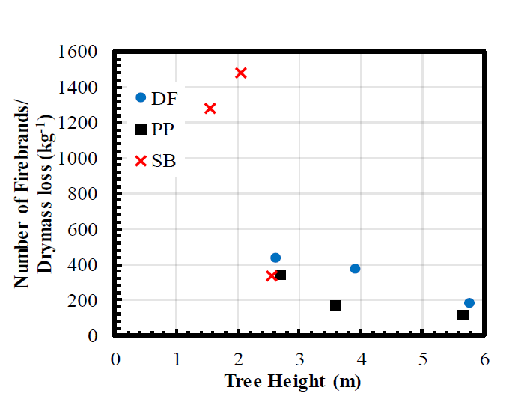
Douglas Fir [(Number of ember/dry mass loss) vs tree height ]
Number of firebrands vs tree height |  |  | (Number of firebrands/dry mass loss) vs tree height
Tree height(m) | Number of ember | Species | Tree height(m) | Number of ember/dry mass loss | Species
2.60 | 1714 | Dougls Fir | 2.61 | 431.24 | Douglas Fir
3.91 | 7548 |  | 3.89 | 371.78
5.71 | 10643 |  | 5.75 | 174.06
2.71 | 4575 | Ponderosa Pine | 2.70 | 337.02 | Ponderosa Pine
3.59 | 3600 |  | 3.57 | 169.44
5.65 | 3962 |  | 5.64 | 101.79
1.54 | 8419 | Sage Brush | 1.55 | 1272.34 | Sage Brush
2.02 | 26545 |  | 2.05 | 1474.45
2.53 | 9352 |  | 2.55 | 329.95

 |  |  |  |  |  | For a Douglas fir tree with 2.6 m heigh-- > | 431.52996 | pcs/kg

Ember vs moisture
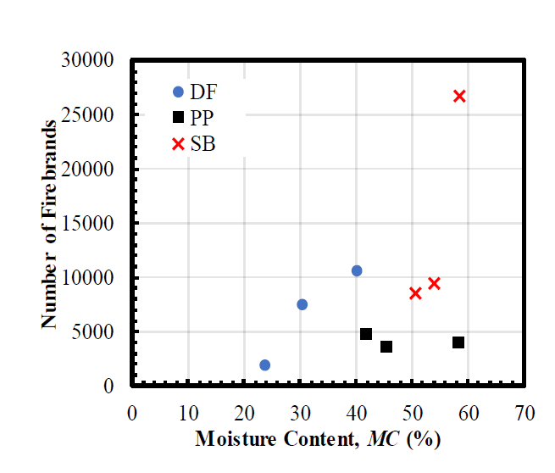
Douglas Fir (Number of ember vs FMC)
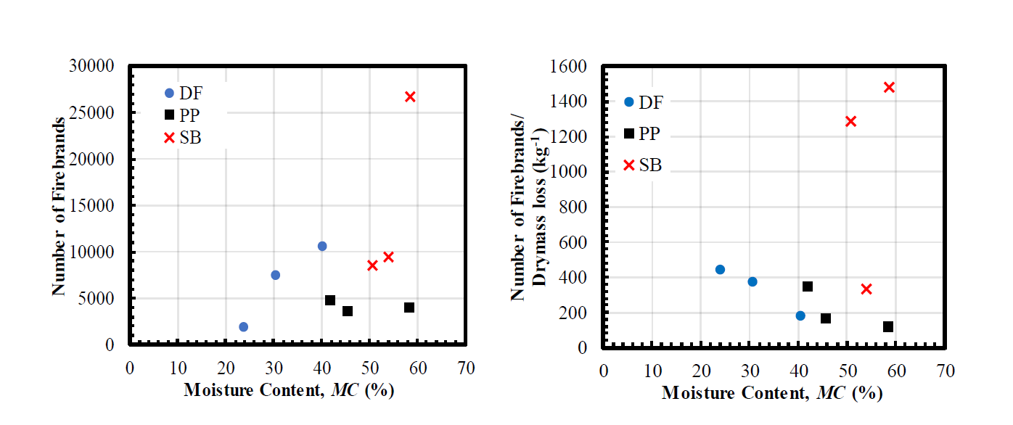
Douglas Fir [(Number of ember/dry mass loss) vs FMC]
Number of firebrands vs moisture(%) |  |  | Number of firebrands/dry mass loss vs moisture(%)
Moisture(%) | Number of ember | Species | Moisture(%) | Number of ember/dry mass loss(kg-1) | Species
23.9 | 1834.1 | Douglas Fir | 23.8 | 437.1 | Douglas Fir
30.3 | 7467.2 |  | 30.5 | 367.8
40.1 | 10611.4 |  | 40.4 | 174.5
41.7 | 4847.2 | Ponderosa Pine | 41.9 | 346.1 | Ponderosa Pine
45.5 | 3537.1 |  | 45.4 | 167.2
58.3 | 4061.1 |  | 58.3 | 117.9
50.7 | 8515.3 | Sage Brush | 50.4 | 1279.1 | Sage Brush
54.0 | 9432.3 |  | 53.8 | 324.3
58.2 | 26724.9 |  | 58.4 | 1470.6

 |  |  |  |  |  | For a Douglas fir tree with 10% FMC-- > | 425.86 | pcs/kg

